Sheet1
IMAGE | PRODUCT NAME | S | M | L | XL | XXL | TOTAL
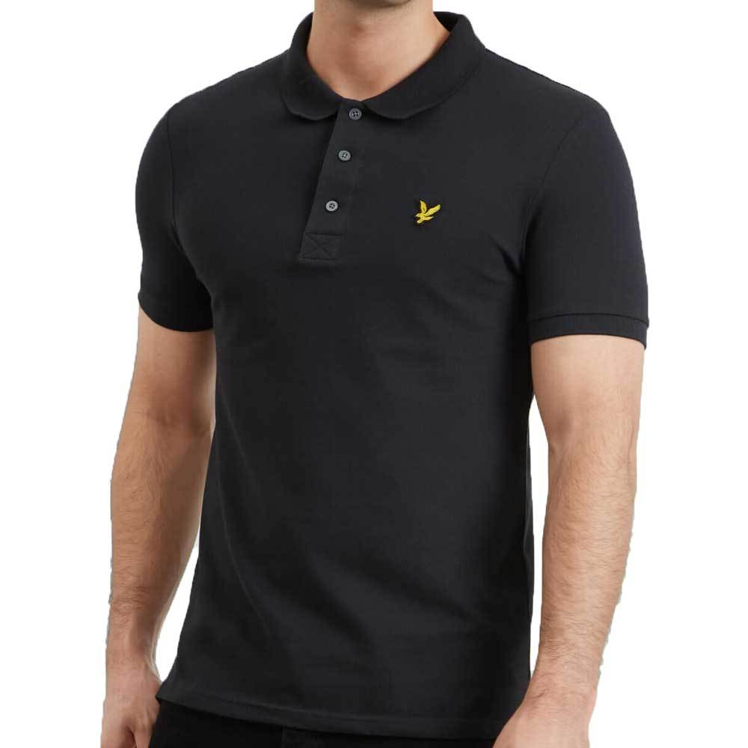 | Lyle & Scott True Black | 71 | 202 | 208 | 67 | 35 | 583
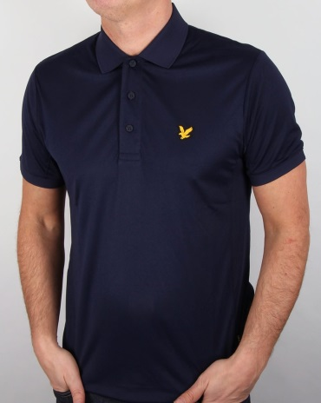 | Lyle & Scott Navy | 70 | 205 | 204 | 67 | 35 | 581
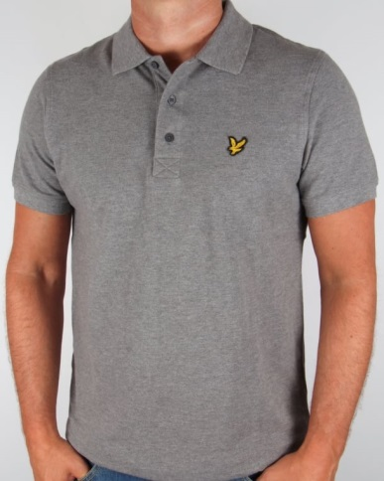 | Lyle & Scott Mid Grey Marl | 63 | 174 | 182 | 56 | 29 | 504
 |  |  |  |  |  |  | 1668

 |  |  |  |  |  |  | 3336

